Sheet1
Image | SKU |  | UK | XS | S | M | L | XL | XXL | Total
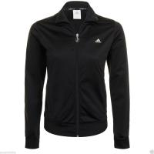 | E65835 | Womens |  | 4 | 99 | 119 | 113 | 14 | 0 | 349
 | P43927 |  |  | 0 | 8 | 30 | 63 | 56 | 25 | 182
 | E68199-Q35 |  |  | 50 | 129 | 99 | 45 | 0 | 0 | 323
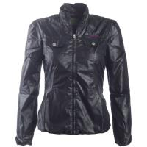 | E68010 | Womens |  | 0 | 18 | 43 | 50 | 0 | 0 | 111
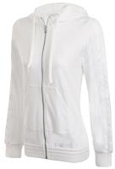 | P09396 | Womens |  | 0 | 16 | 48 | 30 | 15 | 0 | 109
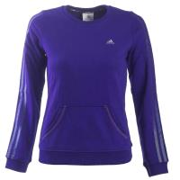 | E66214 | Womens |  | 0 | 14 | 22 | 0 | 0 | 0 | 36
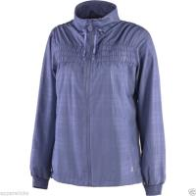 | E58199 | Womens |  | 45 | 125 | 90 | 40 | 0 | 0 | 300
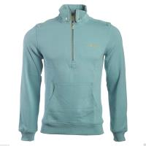 | P74653 | Mens |  | 0 | 0 | 8 | 5 | 0 | 0 | 13
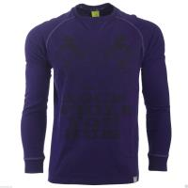 | P89230 | Mens |  | 0 | 7 | 7 | 0 | 20 | 4 | 38
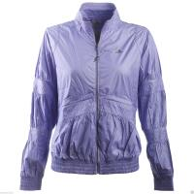 | P09549 | Womens |  | 5 | 64 | 123 | 87 | 32 | 0 | 311
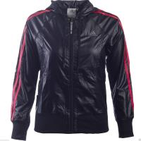 | E67193 | Womens |  | 0 | 1 | 0 | 1 | 0 | 0 | 2
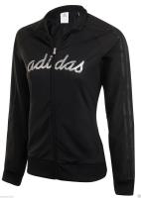 | E67400 | Womens |  | 2 | 0 | 0 | 0 | 0 | 0 | 2
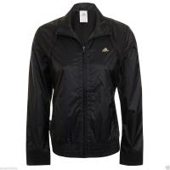 | E66371 | Womens |  | 4 | 99 | 117 | 111 | 12 | 0 | 343
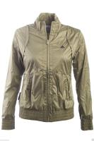 | E67088 | Womens |  | 0 | 15 | 35 | 47 | 3 | 0 | 100
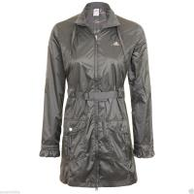 | E67282 | Womens |  | 14 | 59 | 63 | 17 | 0 | 0 | 153
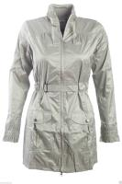 | E67283 | Womens |  | 11 | 65 | 74 | 39 | 6 | 0 | 195
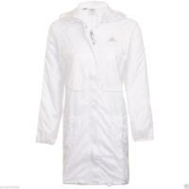 | E67372 |  |  | 4 | 60 | 90 | 76 | 34 | 0 | 264
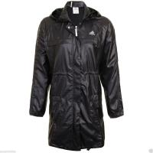 | E67370 |  |  | 0 | 16 | 18 | 5 | 0 | 0 | 39
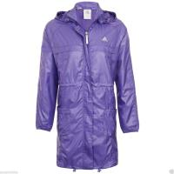 | E67371 |  |  | 17 | 70 | 105 | 86 | 11 | 0 | 289
 |  |  |  |  |  |  |  |  |  | 3159

